mass_breakthroughs
...
 |  |  |  |  |  |  |  |  | ADE Solution
Mass (mg) | Flux Corrected Mass | ADE C(x,t) | Obj Fn (SE) | Dye Mass Recovery= | 10.697646501 | mg |  |  | x_s = | 0.4572 | m
0 | 0 | 0.00E+00 | 1.51E-06 |  |  |  | SSE | 0.036252439791 | V = | 6.28E-05 | m/s
2.4106772727E-08 | 0.00010338021203 | 0.00E+00 | 1.69E-06 | Dye Mass Initial= | 20 | mg |  |  | D = | 2.5733323506E-07 | m2/s
-1.6071181818E-08 | -6.8920141355E-05 | 0.00E+00 | 1.40E-06 |  |  |  | Max Mass= | 0.14118290957 | a = | 0.0041 | m
4.0177954545E-08 | 0.00017230035339 | 0.00E+00 | 1.81E-06 | % Recovery = | 53.488232504 | % | Max Conc= | 0.096828870455 | Co = | 0.011392542607 | mg/L
1.6071181818E-08 | 6.8920141355E-05 | 0.00E+00 | 1.63E-06
8.0355909091E-08 | 0.00034460070677 | 0.00E+00 | 2.15E-06
10.4167 | 0 | 0.00E+00
21.9907 | 7.0902272727E-05 | 0.00E+00
33.5648 | -4.7268181818E-05 | 0.00E+00
45.1389 | 0.00011817045455 | 0.00E+00
56.713 | 4.7268181818E-05 | 0.00E+00
68.287 | 0.00023634090909 | 0.00E+00
79.8611 | 7.0902272727E-05 | 0.00E+00
91.4352 | -2.3634090909E-05 | 0.00E+00
103.009 | -4.7268181818E-05 | 0.00E+00
114.583 | 2.3634090909E-05 | 0.00E+00
126.157 | -4.7268181818E-05 | 0.00E+00
137.731 | 0 | 0.00E+00
149.306 | 0 | 0.00E+00
160.88 | -2.3634090909E-05 | 0.00E+00
172.454 | 0 | 0.00E+00
184.028 | 2.3634090909E-05 | 0.00E+00
195.602 | -4.7268181818E-05 | 0.00E+00
207.176 | -2.3634090909E-05 | 0.00E+00
218.75 | 7.0902272727E-05 | 0.00E+00
230.324 | -4.7268181818E-05 | 0.00E+00
241.898 | 7.0902272727E-05 | 0.00E+00
253.472 | -4.7268181818E-05 | 0.00E+00
265.046 | 9.4536363636E-05 | 0.00E+00
276.62 | -2.3634090909E-05 | 1.61E-296
288.194 | -7.0902272727E-05 | 9.60E-284
299.769 | 7.0902272727E-05 | 5.90E-272
311.343 | 0.00014180454545 | 4.79E-261
322.917 | 2.3634090909E-05 | 6.40E-251
334.491 | 7.0902272727E-05 | 1.70E-241
346.065 | -2.3634090909E-05 | 1.05E-232
357.639 | 2.3634090909E-05 | 1.75E-224
369.213 | 0.00011817045455 | 8.85E-217
380.787 | 0 | 1.52E-209
392.361 | -2.3634090909E-05 | 9.72E-203
403.935 | 0 | 2.53E-196
415.509 | -2.3634090909E-05 | 2.88E-190
427.083 | 4.7268181818E-05 | 1.54E-184
438.657 | 2.3634090909E-05 | 4.07E-179
450.231 | 0.00014180454545 | 5.67E-174
461.806 | 0 | 4.35E-169
473.38 | -4.7268181818E-05 | 1.92E-164
484.954 | 0 | 5.07E-160
496.528 | -4.7268181818E-05 | 8.32E-156
508.102 | -4.7268181818E-05 | 8.74E-152
519.676 | -2.3634090909E-05 | 6.07E-148
531.25 | 0.00014180454545 | 2.86E-144
542.824 | -2.3634090909E-05 | 9.39E-141
554.398 | -7.0902272727E-05 | 2.19E-137
565.972 | -4.7268181818E-05 | 3.72E-134
577.546 | -7.0902272727E-05 | 4.67E-131
...
2.4106772727E-08 | 0.00010338021203 | 0.00E+00 | 1.69E-06
-8.0355909091E-09 | -3.4460070677E-05 | 0.00E+00 | 1.45E-06
-1.6071181818E-08 | -6.8920141355E-05 | 0.00E+00 | 1.40E-06
8.0355909091E-09 | 3.4460070677E-05 | 0.00E+00 | 1.57E-06
-1.6071181818E-08 | -6.8920141355E-05 | 0.00E+00 | 1.40E-06
0 | 0 | 0.00E+00 | 1.51E-06
0 | 0 | 0.00E+00 | 1.51E-06
-8.0355909091E-09 | -3.4460070677E-05 | 0.00E+00 | 1.45E-06
0 | 0 | 0.00E+00 | 1.51E-06
8.0355909091E-09 | 3.4460070677E-05 | 0.00E+00 | 1.57E-06
-1.6071181818E-08 | -6.8920141355E-05 | 0.00E+00 | 1.40E-06
-8.0355909091E-09 | -3.4460070677E-05 | 0.00E+00 | 1.45E-06
2.4106772727E-08 | 0.00010338021203 | 0.00E+00 | 1.69E-06
-1.6071181818E-08 | -6.8920141355E-05 | 0.00E+00 | 1.40E-06
2.4106772727E-08 | 0.00010338021203 | 0.00E+00 | 1.69E-06
-1.6071181818E-08 | -6.8920141355E-05 | 0.00E+00 | 1.40E-06
3.2142363636E-08 | 0.00013784028271 | 0.00E+00 | 1.75E-06
-8.0355909091E-09 | -3.4460070677E-05 | 1.61E-296 | 1.45E-06
-2.4106772727E-08 | -0.00010338021203 | 9.60E-284 | 1.34E-06
2.4106772727E-08 | 0.00010338021203 | 5.90E-272 | 1.69E-06
4.8213545455E-08 | 0.00020676042406 | 4.79E-261 | 1.88E-06
8.0355909091E-09 | 3.4460070677E-05 | 6.40E-251 | 1.57E-06
2.4106772727E-08 | 0.00010338021203 | 1.70E-241 | 1.69E-06
-8.0355909091E-09 | -3.4460070677E-05 | 1.05E-232 | 1.45E-06
8.0355909091E-09 | 3.4460070677E-05 | 1.75E-224 | 1.57E-06
4.0177954545E-08 | 0.00017230035339 | 8.85E-217 | 1.81E-06
0 | 0 | 1.52E-209 | 1.51E-06
-8.0355909091E-09 | -3.4460070677E-05 | 9.72E-203 | 1.45E-06
0 | 0 | 2.53E-196 | 1.51E-06
-8.0355909091E-09 | -3.4460070677E-05 | 2.88E-190 | 1.45E-06
1.6071181818E-08 | 6.8920141355E-05 | 1.54E-184 | 1.63E-06
8.0355909091E-09 | 3.4460070677E-05 | 4.07E-179 | 1.57E-06
4.8213545455E-08 | 0.00020676042406 | 5.67E-174 | 1.88E-06
0 | 0 | 4.35E-169 | 1.51E-06
-1.6071181818E-08 | -6.8920141355E-05 | 1.92E-164 | 1.40E-06
...
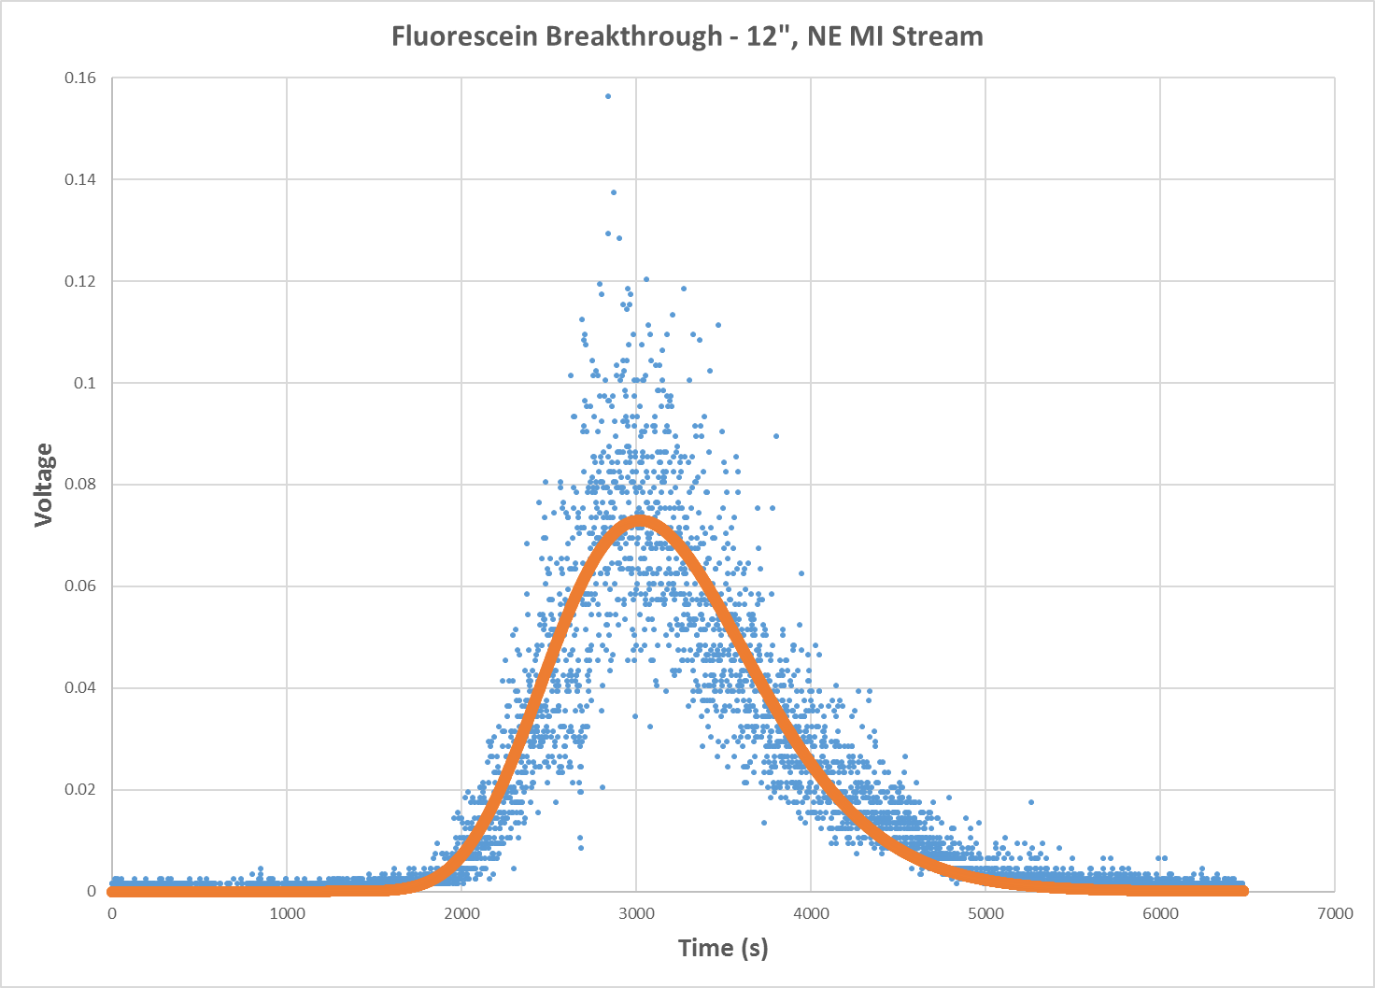
...

mass_breakthroughs - gainadjust
...
 |  |  |  |  |  |  |  |  | ADE Solution
Mass (mg) | Flux Corrected Mass | ADE C(x,t) | Obj Fn (SE) | Dye Mass Recovery= | 3.5658821669 | mg |  |  | x_s = | 0.4572 | m
0 | 0 | 0.00E+00 | 1.68E-07 |  |  |  | SSE | 0.0040280488664 | V = | 6.28E-05 | m/s
8.0355909091E-09 | 3.4460070677E-05 | 0.00E+00 | 1.88E-07 | Dye Mass Initial= | 20 | mg |  |  | D = | 2.5733303845E-07 | m2/s
-5.3570606061E-09 | -2.2973380452E-05 | 0.00E+00 | 1.55E-07 |  |  |  | Max Mass= | 0.047060969855 | a = | 0.0041 | m
1.3392651515E-08 | 5.7433451129E-05 | 0.00E+00 | 2.02E-07 | % Recovery = | 17.829410835 | % | Max Conc= | 0.032276290152 | Co = | 0.0037975003477 | mg/L
5.3570606061E-09 | 2.2973380452E-05 | 0.00E+00 | 1.81E-07
2.678530303E-08 | 0.00011486690226 | 0.00E+00 | 2.39E-07
10.4167 | 0 | 0.00E+00
21.9907 | 2.3634090909E-05 | 0.00E+00
33.5648 | -1.5756060606E-05 | 0.00E+00
45.1389 | 3.9390151515E-05 | 0.00E+00
56.713 | 1.5756060606E-05 | 0.00E+00
68.287 | 7.878030303E-05 | 0.00E+00
79.8611 | 2.3634090909E-05 | 0.00E+00
91.4352 | -7.878030303E-06 | 0.00E+00
103.009 | -1.5756060606E-05 | 0.00E+00
114.583 | 7.878030303E-06 | 0.00E+00
126.157 | -1.5756060606E-05 | 0.00E+00
137.731 | 0 | 0.00E+00
149.306 | 0 | 0.00E+00
160.88 | -7.878030303E-06 | 0.00E+00
172.454 | 0 | 0.00E+00
184.028 | 7.878030303E-06 | 0.00E+00
195.602 | -1.5756060606E-05 | 0.00E+00
207.176 | -7.878030303E-06 | 0.00E+00
218.75 | 2.3634090909E-05 | 0.00E+00
230.324 | -1.5756060606E-05 | 0.00E+00
241.898 | 2.3634090909E-05 | 0.00E+00
253.472 | -1.5756060606E-05 | 0.00E+00
265.046 | 3.1512121212E-05 | 0.00E+00
276.62 | -7.878030303E-06 | 5.35E-297
288.194 | -2.3634090909E-05 | 3.20E-284
299.769 | 2.3634090909E-05 | 1.97E-272
311.343 | 4.7268181818E-05 | 1.60E-261
322.917 | 7.878030303E-06 | 2.13E-251
334.491 | 2.3634090909E-05 | 5.65E-242
346.065 | -7.878030303E-06 | 3.50E-233
357.639 | 7.878030303E-06 | 5.82E-225
369.213 | 3.9390151515E-05 | 2.95E-217
380.787 | 0 | 5.06E-210
392.361 | -7.878030303E-06 | 3.24E-203
403.935 | 0 | 8.42E-197
415.509 | -7.878030303E-06 | 9.59E-191
427.083 | 1.5756060606E-05 | 5.12E-185
438.657 | 7.878030303E-06 | 1.36E-179
450.231 | 4.7268181818E-05 | 1.89E-174
461.806 | 0 | 1.45E-169
473.38 | -1.5756060606E-05 | 6.40E-165
484.954 | 0 | 1.69E-160
496.528 | -1.5756060606E-05 | 2.77E-156
508.102 | -1.5756060606E-05 | 2.91E-152
519.676 | -7.878030303E-06 | 2.02E-148
531.25 | 4.7268181818E-05 | 9.54E-145
542.824 | -7.878030303E-06 | 3.13E-141
554.398 | -2.3634090909E-05 | 7.30E-138
565.972 | -1.5756060606E-05 | 1.24E-134
577.546 | -2.3634090909E-05 | 1.56E-131
...
10.4167 | 0 | 0.00E+00
21.9907 | 2.3634090909E-05 | 0.00E+00
33.5648 | -1.5756060606E-05 | 0.00E+00
45.1389 | 3.9390151515E-05 | 0.00E+00
56.713 | 1.5756060606E-05 | 0.00E+00
68.287 | 7.878030303E-05 | 0.00E+00
79.8611 | 2.3634090909E-05 | 0.00E+00
91.4352 | -7.878030303E-06 | 0.00E+00
103.009 | -1.5756060606E-05 | 0.00E+00
114.583 | 7.878030303E-06 | 0.00E+00
126.157 | -1.5756060606E-05 | 0.00E+00
137.731 | 0 | 0.00E+00
149.306 | 0 | 0.00E+00
160.88 | -7.878030303E-06 | 0.00E+00
172.454 | 0 | 0.00E+00
184.028 | 7.878030303E-06 | 0.00E+00
195.602 | -1.5756060606E-05 | 0.00E+00
207.176 | -7.878030303E-06 | 0.00E+00
218.75 | 2.3634090909E-05 | 0.00E+00
230.324 | -1.5756060606E-05 | 0.00E+00
241.898 | 2.3634090909E-05 | 0.00E+00
253.472 | -1.5756060606E-05 | 0.00E+00
265.046 | 3.1512121212E-05 | 0.00E+00
276.62 | -7.878030303E-06 | 5.35E-297
288.194 | -2.3634090909E-05 | 3.20E-284
299.769 | 2.3634090909E-05 | 1.97E-272
311.343 | 4.7268181818E-05 | 1.60E-261
322.917 | 7.878030303E-06 | 2.13E-251
334.491 | 2.3634090909E-05 | 5.65E-242
346.065 | -7.878030303E-06 | 3.50E-233
357.639 | 7.878030303E-06 | 5.82E-225
369.213 | 3.9390151515E-05 | 2.95E-217
380.787 | 0 | 5.06E-210
392.361 | -7.878030303E-06 | 3.24E-203
403.935 | 0 | 8.42E-197
415.509 | -7.878030303E-06 | 9.59E-191
427.083 | 1.5756060606E-05 | 5.12E-185
438.657 | 7.878030303E-06 | 1.36E-179
450.231 | 4.7268181818E-05 | 1.89E-174
461.806 | 0 | 1.45E-169
473.38 | -1.5756060606E-05 | 6.40E-165
484.954 | 0 | 1.69E-160
496.528 | -1.5756060606E-05 | 2.77E-156
508.102 | -1.5756060606E-05 | 2.91E-152
519.676 | -7.878030303E-06 | 2.02E-148
531.25 | 4.7268181818E-05 | 9.54E-145
542.824 | -7.878030303E-06 | 3.13E-141
554.398 | -2.3634090909E-05 | 7.30E-138
565.972 | -1.5756060606E-05 | 1.24E-134
577.546 | -2.3634090909E-05 | 1.56E-131
...
8.0355909091E-09 | 3.4460070677E-05 | 0.00E+00 | 1.88E-07
-2.678530303E-09 | -1.1486690226E-05 | 0.00E+00 | 1.61E-07
-5.3570606061E-09 | -2.2973380452E-05 | 0.00E+00 | 1.55E-07
2.678530303E-09 | 1.1486690226E-05 | 0.00E+00 | 1.74E-07
-5.3570606061E-09 | -2.2973380452E-05 | 0.00E+00 | 1.55E-07
0 | 0 | 0.00E+00 | 1.68E-07
0 | 0 | 0.00E+00 | 1.68E-07
-2.678530303E-09 | -1.1486690226E-05 | 0.00E+00 | 1.61E-07
0 | 0 | 0.00E+00 | 1.68E-07
2.678530303E-09 | 1.1486690226E-05 | 0.00E+00 | 1.74E-07
-5.3570606061E-09 | -2.2973380452E-05 | 0.00E+00 | 1.55E-07
-2.678530303E-09 | -1.1486690226E-05 | 0.00E+00 | 1.61E-07
8.0355909091E-09 | 3.4460070677E-05 | 0.00E+00 | 1.88E-07
-5.3570606061E-09 | -2.2973380452E-05 | 0.00E+00 | 1.55E-07
8.0355909091E-09 | 3.4460070677E-05 | 0.00E+00 | 1.88E-07
-5.3570606061E-09 | -2.2973380452E-05 | 0.00E+00 | 1.55E-07
1.0714121212E-08 | 4.5946760903E-05 | 0.00E+00 | 1.95E-07
-2.678530303E-09 | -1.1486690226E-05 | 5.35E-297 | 1.61E-07
-8.0355909091E-09 | -3.4460070677E-05 | 3.20E-284 | 1.49E-07
8.0355909091E-09 | 3.4460070677E-05 | 1.97E-272 | 1.88E-07
1.6071181818E-08 | 6.8920141355E-05 | 1.60E-261 | 2.09E-07
2.678530303E-09 | 1.1486690226E-05 | 2.13E-251 | 1.74E-07
8.0355909091E-09 | 3.4460070677E-05 | 5.65E-242 | 1.88E-07
-2.678530303E-09 | -1.1486690226E-05 | 3.50E-233 | 1.61E-07
2.678530303E-09 | 1.1486690226E-05 | 5.82E-225 | 1.74E-07
1.3392651515E-08 | 5.7433451129E-05 | 2.95E-217 | 2.02E-07
0 | 0 | 5.06E-210 | 1.68E-07
-2.678530303E-09 | -1.1486690226E-05 | 3.24E-203 | 1.61E-07
0 | 0 | 8.42E-197 | 1.68E-07
-2.678530303E-09 | -1.1486690226E-05 | 9.59E-191 | 1.61E-07
5.3570606061E-09 | 2.2973380452E-05 | 5.12E-185 | 1.81E-07
2.678530303E-09 | 1.1486690226E-05 | 1.36E-179 | 1.74E-07
1.6071181818E-08 | 6.8920141355E-05 | 1.89E-174 | 2.09E-07
0 | 0 | 1.45E-169 | 1.68E-07
-5.3570606061E-09 | -2.2973380452E-05 | 6.40E-165 | 1.55E-07
...

